Test Report
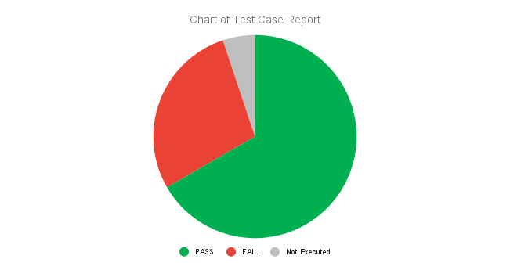
Test Case Report
Project Name | Ifad e-commerce application (Functional Testing)
Client Name | Ifad e-commerce application
Modul name | Functional Testing
Prepared by | Mustafa Tanim
Reviewed by | Rashed Zahan
Project start date | August 6th, 2023
project end date
Version no | V 1.0

TEST EXECUTION REPORT
Test Case | PASS | FAIL | Not Executed | Out of Scope | Total Test Case
Home Page | 79 | 14 | 1 | 2 | 96
Registration | 17 | 5 | 1 | 2 | 25
LogIn | 18 | 5 | 0 | 1 | 24
Logout | 10 | 0 | 0 | 0 | 10
Forgot Password
Account Information | 22 | 5 | 0 | 1 | 28
Search | 15 | 1 | 0 | 0 | 16
View Item | 22 | 4 | 0 | 0 | 26
Add to Cart | 9 | 2 | 0 | 0 | 11
Place Order | 16 | 0 | 0 | 0 | 16
Track Order
Cancel Order
Return Item
View Orders
Rate Item
Review Item
Wish List | 17 | 2 | 0 | 0 | 19
Change Password | 4 | 5 | 0 | 0 | 9
Address | 12 | 3 | 0 | 0 | 15
My Order | 5 | 1 | 0 | 1 | 7
Buy Now | 4 | 2 | 0 | 0 | 6

Grand Total | 250 | 49 | 2 | 7 | 308

